GIANNI VERSACE (FASHION)
Style Description | S | M | L | XL | XXL | 3XL | Grand Total | RETAIL
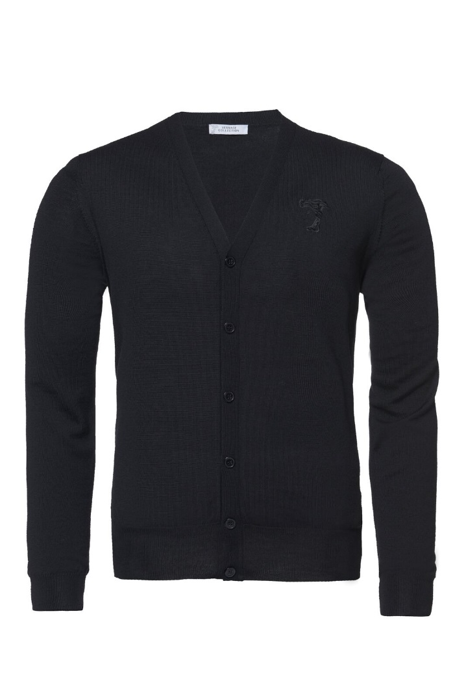 Versace Cardigan Men, black |  |  |  | 14 | 1 |  | 15 | 219.00 €
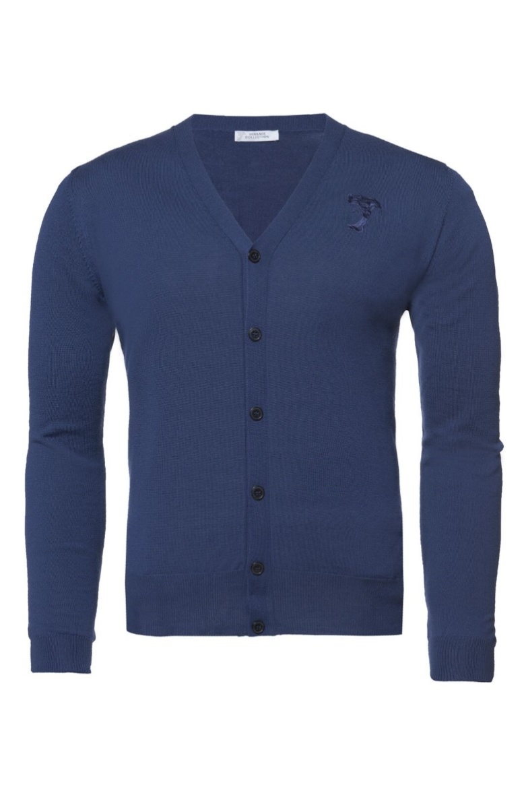 Versace Cardigan Men, navy |  |  |  | 23 | 13 | 0 | 36 | 219.00 €
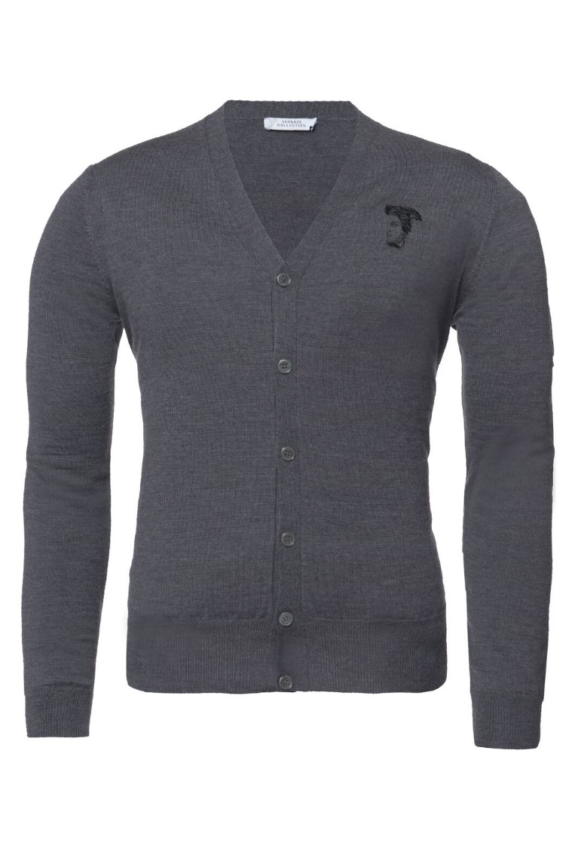 Versace Cardigan Men, grey |  |  |  | 40 | 22 | 38 | 100 | 219.00 €
 |  |  |  |  |  |  | 151

